220V Series
PROFOLUX
Van Leeuwenhoekweg 8, 5482 TK Schijndel, The Netherlands
Tel: +31 (0)73 5492350 Email: info@profolux.nl Http://www.profolux.com
SPECIFICATION
Part No | Picture | Descripiton | Input Voltage | Power Supply | Current | Power | LED Type | Lumen | Color Temperature | Beaming Angle | Size | IP Class | Certificate
LED Cyclone Downlight presettable tri-white Series
DT090 |  | LED Cyclone Down Light Cutout Φ90-98mm, 10W, presettable tri-white, White Housing | 220VAC-240VAC | External | 350mA | 10W | SMD 2835 | 850lm | 5000K | 90° | Φ113*57mm (cutout Φ90-98mm) | IP20 | CE
 |  |  |  |  |  |  |  | 850lm | 4000K
 |  |  |  |  |  |  |  | 780lm | 3000K
DT120 |  | LED Cyclone Down Light Cutout Φ117-127mm, 14W, presettable tri-white, White Housing | 220VAC-240VAC | External | 350mA | 14W | SMD 2835 | 1190lm | 5000K | 90° | Φ143*61mm (cutout Φ117-127mm) | IP20 | CE
 |  |  |  |  |  |  |  | 1190lm | 4000K
 |  |  |  |  |  |  |  | 1090lm | 3000K
DT135 |  | LED Cyclone Down Light Cutout Φ135-145mm, 18W, presettable tri-white, White Housing | 220VAC-240VAC | External | 700mA | 18W | SMD 2835 | 1550lm | 5000K | 90° | Φ165*63mm (cutout Φ135-145mm) | IP20 | CE
 |  |  |  |  |  |  |  | 1550lm | 4000K
 |  |  |  |  |  |  |  | 1440lm | 3000K
DT170 |  | LED Cyclone Down Light Cutout Φ168-178mm, 20W, presettable tri-white, White Housing | 220VAC-240VAC | External | 700mA | 20W | SMD 2835 | 1720lm | 5000K | 90° | Φ200*68mm (cutout Φ168-178mm) | IP20 | CE
 |  |  |  |  |  |  |  | 1720lm | 4000K
 |  |  |  |  |  |  |  | 1600lm | 3000K
DT170 |  | LED Cyclone Down Light Cutout Φ192-210mm, 20W, presettable tri-white, White Housing | 220VAC-240VAC | External | 700mA | 20W | SMD 2835 | 1880m | 5000K | 90° | Φ230*75mm (cutout Φ192-210mm) | IP20 | CE
 |  |  |  |  |  |  |  | 1880m | 4000K
 |  |  |  |  |  |  |  | 1745lm | 3000K
LED Miracle Downlight Triac Series
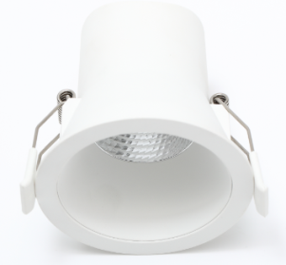
 |  |  | 220-240VAC | Internal | 40mA | 6W | SMD 2835 |  |  | 40° | Φ81*79mm (cutout Φ68-73mm) | IP44 | CE
DR-MW068-3000K |  | LED Triac Miracle Down Light Cutout Φ68-73mm, 6W, 4000K, White Housing |  |  |  |  |  | 540lm | 4000K
DR-MW068-4000K |  | LED Miracle Down Light Cutout Φ68-73mm, 6W, 3000K, White Housing |  |  |  |  |  | 500lm | 3000K
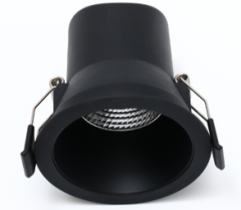
 |  |  | 220-240VAC | Internal | 40mA | 6W | SMD 2835 |  |  | 40° | Φ81*79mm (cutout Φ68-73mm) | IP44 | CE
DR-MB068-3000K |  | LED Triac Miracle Down Light Cutout Φ68-73mm, 6W, 4000K, Black Housing |  |  |  |  |  | 450lm | 4000K
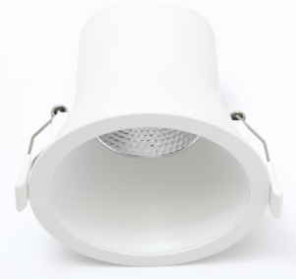
DR-MB068-4000K |  | LED Triac Miracle Down Light Cutout Φ68-73mm, 6W, 3000K, Black Housing |  |  |  |  |  | 420lm | 3000K
 |  |  | 220-240VAC | Internal | 70mA | 9W | SMD 2835 |  |  | 40°/60° | Φ103*91mm (cutout Φ90-95mm) | IP44 | CE
DR-MW090-3000K |  | LED Triac Miracle Down Light Cutout Φ90-95mm, 9W, 4000K, White Housing |  |  |  |  |  | 900lm | 4000K
DR-MW090-4000K |  | LED Triac Miracle Down Light Cutout Φ90-95mm, 9W, 3000K, White Housing |  |  |  |  |  | 810lm | 3000K
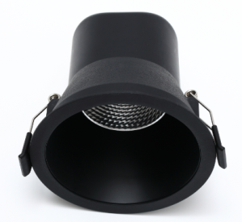
 |  |  | 220-240VAC | Internal | 70mA | 9W | SMD 2835 |  |  | 40°/60° | Φ103*91mm (cutout Φ90-95mm) | IP44 | CE
DR-MB090-3000K |  | LED Triac Miracle Down Light Cutout Φ90-95mm, 9W, 4000K, Black Housing |  |  |  |  |  | 730lm | 4000K
DR-MB090-4000K |  | LED Triac MiracleDown Light Cutout Φ90-95mm, 9W, 3000K, Black Housing |  |  |  |  |  | 680lm | 3000K
LED Legend Downlight Presettable tri-white Series
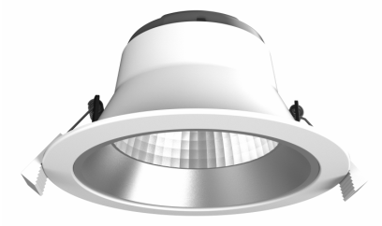
DRT090 |  | LED Legend Presettable tri-white Down Light Cutout Φ90-102mm, 10W, White Housing | 220-240VAC | External | 350mA | 10W | SMD 2835 | 880lm | 5000K | 60° | Φ113*68.5mm (cutout Φ90-102mm) | IP20 | CE
 |  |  |  |  |  |  |  | 880lm | 4000K
 |  |  |  |  |  |  |  | 800lm | 3000K
DRT120 |  | LED Legend Presettable tri-white Down Light Cutout Φ120-130mm, 15W, White Housing | 220-240VAC | External | 700mA | 15W | SMD 2835 | 1320lm | 5000K | 60° | Φ145*81.8mm (cutout Φ120-130mm) | IP20 | CE
 |  |  |  |  |  |  |  | 1320lm | 4000K
 |  |  |  |  |  |  |  | 1200lm | 3000K
DRT145-15W |  | LED Legend Presettable tri-white Down Light Cutout Φ145-155mm,15W, White Housing | 220-240VAC | External | 700mA | 20W | SMD 2835 | 1350lm | 5000K | 60° | Φ174*88.8mm (cutout Φ145-155mm) | IP20 | CE
 |  |  |  |  |  |  |  | 1350lm | 4000K
 |  |  |  |  |  |  |  | 1255lm | 3000K
DRT195-20W |  | LED Legend Presettable tri-white Down Light Cutout Φ195-210mm, 20W, White Housing | 220-240VAC | External | 700mA | 28W | SMD 2835 | 1800lm | 5000K | 60° | Φ232*112.8mm (cutout Φ195-210mm) | IP20 | CE
 |  |  |  |  |  |  |  | 1800lm | 4000K
 |  |  |  |  |  |  |  | 1670lm | 3000K
DRT195-15W |  | LED Legend Presettable tri-white Down Light Cutout Φ195-210mm, 15W, White Housing | 220-240VAC | External | 700mA | 28W | SMD 2835 | 1350lm | 5000K | 60° | Φ232*112.8mm (cutout Φ195-210mm) | IP20 | CE
 |  |  |  |  |  |  |  | 1350lm | 4000K
 |  |  |  |  |  |  |  | 1255lm | 3000K
DRT195-28W |  | LED Legend Presettable tri-white Down Light Cutout Φ195-210mm, 28W, White Housing | 220-240VAC | External | 700mA | 28W | SMD 2835 | 2500lm | 5000K | 60° | Φ232*112.8mm (cutout Φ195-210mm) | IP20 | CE
 |  |  |  |  |  |  |  | 2500lm | 4000K
 |  |  |  |  |  |  |  | 2300lm | 3000K
LED Legend Downlight Presettable tri-white Series

DZ-M120 |  | LED Rainbow Ceiling Light-Dual Power & Presettable tri-white, Cutout Φ120-200mm, 18W, White Housing | 220VAC-240VAC | Internal | 100mA/145mA | 12W/ 18W | SMD 2835 | 1140lm/ 1530lm | 5000K | 110° | φ220*21.5mm （cutout: φ120-200mm） | IP44 | CE
 |  |  |  |  |  |  |  | 1200lm/ 1710lm | 4000K
 |  |  |  |  |  |  |  | 1080lm/ 1440lm | 3000K
DZ-M150 |  | LED Rainbow Ceiling Light-Dual Power & Presettable tri-white, Cutout Φ150-270mm, 25W, White Housing | 220VAC-240VAC | Internal | 150mA/200mA | 18W/ 25W | SMD 2835 | 1800lm/ 2250lm | 5000K | 110° | φ300*25mm （cutoutφ150-270mm） | IP44 | CE
 |  |  |  |  |  |  |  | 1890lm/ 2375lm | 4000K
 |  |  |  |  |  |  |  | 1710lm/ 2125lm | 3000K

